Decision tree
Provide Mandatory Dataset Information:
(1) These information are required to provide a high level dataset overview
- this form must be completed and submitted with data file(s)
Level 1 Metadata

Provide details of the measurement attributes based on the type of data in submission file(s).

Level 2 Attributes
In-situ sensor (e.g. ADCP, CTD)
Physical samples:

(2a) Please complete
In-situ sensor data attributes
(2b) Please complete
Sample data attributes

(2b) Sample
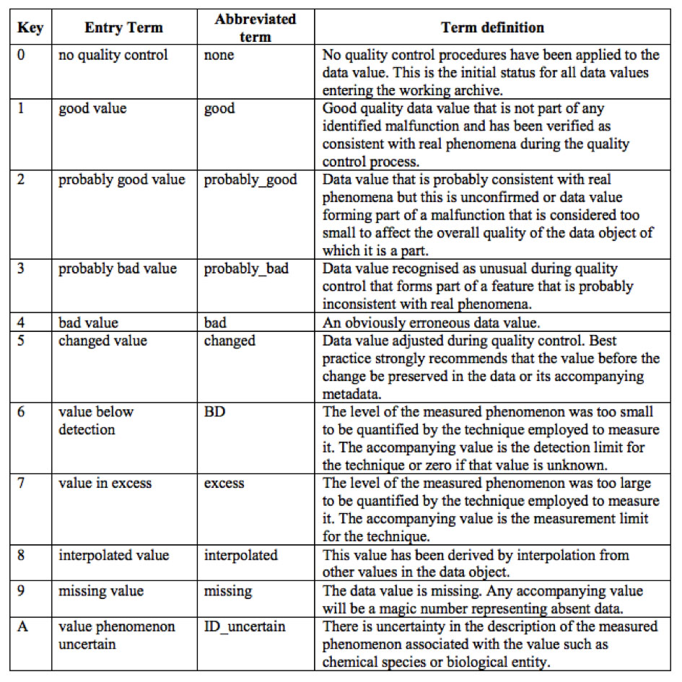
 | GDAC Sample Metadata Template - updated 18/09/2016
(2b) | Specific information about the content of the data file(s) provided.
 | If the following information is present in the data file(s) the following can be used as a checklist or populated below as a summary.
 |  | Column_P | Column_R | Column_U | Column_X | ... | ... | ... | … | ... | ...
* | Short title used in data file: | Al_TD_CONC_BOTTLE | Al_D_CONC_BOTTLE | Mn_D_CONC_BOTTLE | Mn_TD_CONC_BOTTLE
* | Full title: | Al_TD_CONC_BOTTLE::taj0if | Al_D_CONC_BOTTLE::xeb5pj | Mn_D_CONC_BOTTLE::dxp4gu | Mn_TD_CONC_BOTTLE::sofbd4
* | Units: | nmol/L | nmol/L | nmol/L | nmol/L
* | Max. d.p. to be reported: | 1 | 1 | 2 | 2
* | Samples collected per measurement: | 1 | 1 | 1 | 1
* | Analytical replicates run per sample: | 1 | 1 | 1 | 1
* | Does data file contain replicate data? | no | no | no | no
* | Are these replicate samples or replicate analysis? | no | no | no | no
 | Error calculation# (#) e.g. 1 or 2 times Standard deviation …etc. | 1 standard deviation | 1 standard deviation | 1 standard deviation | 1 standard deviation

 | Data Originator(s) responsible: | Susanna Michael | Susanna Michael | Susanna Michael | Susanna Michael
 | Sample collection device make: | Go-Flo | Go-Flo | Go-Flo | Go-Flo
 | Sample collection device model:
 | Sample collection device serial number:
 | A full description if the sampling device if it was custom made:
 | Analytical instrument make: | Flow injection using a peristaltic pump and manifold, and fluorometer, as described by Resing and Measures (1994). | Flow injection using a peristaltic pump and manifold and fluorometer, as described by Resing and Measures (1994). | Flow injection using a peristaltic pump and manifold, and spectrophotometer, as described by Resing and Mottl (1992). | Flow injection using a peristaltic pump and manifold, and spectrophotometer, as described by Resing and Mottl (1992).
 | Analytical instrument model:
 | Analytical instrument serial number:
 | Analytical instrument detection limit: | 0.85 nM | 0.85 nM | 0.027 nM | 0.027 nM
 | If uncertainty has been calculated, how was it derived? | standard deviation was determined and propagated using the standard deviation of the slope and intercept of each calibration curve used for analysis as described by Miller and Miller [2010] | standard deviation was determined and propagated using the standard deviation of the slope and intercept of each calibration curve used for analysis as described by Miller and Miller [2010] | standard deviation was determined and propagated using the standard deviation of the slope and intercept of each calibration curve used for analysis as described by Miller and Miller [2010] | standard deviation was determined and propagated using the standard deviation of the slope and intercept of each calibration curve used for analysis as described by Miller and Miller [2010]
 | Parameter measured or derived from calculation: | Measured | Measured | Measured | Measured
 | Derivation protocol reference: |  |  |  | Not applicable
 | Parameters used in calculation: |  |  |  | Not applicable

 | If protocols or data quality comments are more detailed than covered in the level 1 metadata form:
 | Sampling protocol:
 | Analytical protocol:
 | Data quality comments:

 | For chemical compounds please provide one or both of:
 | CAS Registry Number: http://www.cas.org/content/chemical-substances/faqs
 | ChEBI ID: http://www.ebi.ac.uk/chebi/

 | For biological data please confirm the taxonomy by providing one or both of:
 | ITIS number: http://www.itis.gov/
 | AphiaID: http://www.marinespecies.org/index.php

 | If reference materials were used as part of the analyses:
 | Reference Material(s): Provide source(s) and batch number(s) | GEOTRACES GD | GEOTRACES GD | GEOTRACES GD | GEOTRACES GD
 | Accuracy (if calculated): | 19.49 ± 0.88 nM (1 SD, n = 17). | 19.49 ± 0.88 nM (1 SD, n = 17). | 1.80 ± 0.19 (1 SD, n = 17). | 1.80 ± 0.19 (1 SD, n = 17).
 | Precision (if calculated):

 | Description | Quality flag
 | https://www.geotraces.org/geotraces-quality-flag-policy/

