Fe uptake PREFILTERED
 |  |  | Fraction 0.8-25µm | Fraction 0.2-0.8µm
station ID | PAR [%] | depth (m) | Fe uptake rate [nmol Fe/L/d] | Fe uptake rate [nmol Fe/L/d] | n.d means no data available
A3-1 | 75 | n.d | 1.22E-02 | 2.24E-04
A3-1 | 45 | n.d | 8.32E-03 | 1.20E-04
A3-1 | 25 | n.d | 2.86E-02 | 9.41E-04
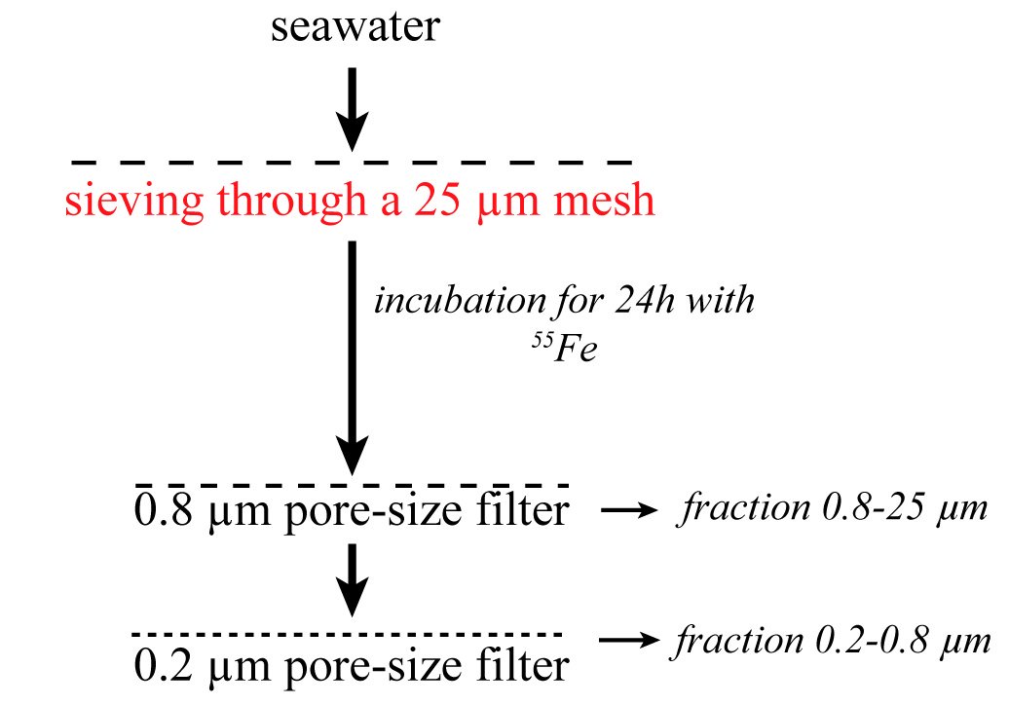
A3-1 | 16 | n.d | 1.70E-02 | 8.07E-04
A3-1 | 4 | n.d | 1.76E-02 | 1.52E-04
A3-1 | 1 | n.d | 5.78E-03 | 1.73E-04
R-2 | 75 | 6 | 4.04E-04 | 6.83E-05
R-2 | 45 | 16 | 4.43E-04 | 3.64E-05
R-2 | 25 | 28 | 3.81E-04 | 2.86E-04
R-2 | 16 | 37 | 3.50E-04 | 2.46E-04
R-2 | 4 | 64 | 3.69E-04 | 4.63E-05
R-2 | 1 | 92 | 4.38E-04 | 5.28E-05
E-1 | 75 | 4 | 1.59E-03 | 6.77E-05
E-1 | 45 | 11 | 2.11E-03 | 8.30E-05
E-1 | 25 | 19 | 2.43E-03 | 1.02E-04
E-1 | 16 | 26 | 4.62E-03 | 1.93E-04
E-1 | 4 | 45 | 3.89E-03 | 6.70E-05
E-1 | 1 | 64 | 1.51E-03 | 2.60E-05
TEW-1 | 75 | n.d | 4.03E-02 | 4.16E-04
TEW-1 | 45 | n.d | 1.56E-01 | 2.76E-04
TEW-1 | 25 | n.d | 4.52E-02 | 3.67E-04
TEW-1 | 16 | n.d | 3.95E-02 | 7.34E-04
TEW-1 | 4 | n.d | 7.81E-02 | 1.90E-04
TEW-1 | 1 | n.d | 5.39E-02 | 3.00E-04
TEW-3 | 75 | n.d | 1.38E-02 | 2.32E-04
TEW-3 | 45 | n.d | 7.57E-03 | 1.07E-04
TEW-3 | 25 | n.d | 2.18E-02 | 3.44E-04
TEW-3 | 16 | n.d | 1.12E-02 | 2.01E-04
TEW-3 | 4 | n.d | 4.89E-03 | 1.25E-04
TEW-3 | 1 | n.d | 3.58E-03 | 1.35E-04
TEW-4 | 75 | n.d | 1.21E-02 | 1.40E-04
TEW-4 | 45 | n.d | 3.91E-03 | 5.40E-05
TEW-4 | 25 | n.d | 6.63E-03 | 2.11E-04
TEW-4 | 16 | n.d | 8.17E-03 | 1.19E-04
TEW-4 | 4 | n.d | 7.25E-03 | 8.47E-05
TEW-4 | 1 | n.d | 3.84E-03 | 1.93E-04
E-2 | 75 | n.d | 1.82E-03 | 7.24E-05
E-2 | 45 | n.d | 1.80E-03 | 4.60E-05
E-2 | 25 | n.d | 2.66E-03 | 6.37E-05
E-2 | 16 | n.d | 1.04E-02 | 2.70E-04
E-2 | 4 | n.d | 3.06E-03 | 5.23E-05
E-2 | 1 | n.d | 7.75E-04 | 8.35E-06
TEW-7 | 75 | n.d | 2.15E-02 | 1.46E-04
TEW-7 | 45 | n.d | 6.53E-02 | 7.84E-04
TEW-7 | 25 | n.d | 5.88E-02 | 5.74E-04
TEW-7 | 16 | n.d | 2.44E-02 | 1.57E-04
TEW-7 | 4 | n.d | 3.48E-02 | 3.50E-03
TEW-7 | 1 | n.d | 2.70E-02 | 2.49E-04
F-L | 75 | 2 | 5.00E-02 | 8.40E-04
F-L | 45 | 5 | 4.32E-02 | 3.63E-04
F-L | 25 | 9 | 6.13E-02 | 5.76E-04
F-L | 16 | 11 | 6.11E-02 | 2.51E-04
F-L | 4 | 20 | 5.62E-02 | 4.97E-04
F-L | 1 | 29 | 2.47E-02 | 4.93E-04
G-1 | 75 | n.d | 5.33E-02 | 2.62E-04
G-1 | 45 | n.d | 3.06E-02 | 1.70E-04
G-1 | 25 | n.d | 4.67E-02 | 2.66E-04
G-1 | 16 | n.d | 3.81E-02 | 1.83E-04
G-1 | 4 | n.d | 3.45E-02 | 2.16E-04
G-1 | 1 | n.d | 5.71E-02 | 3.11E-04
E-4W | 75 | 2 | 1.27E-02 | 1.70E-04
E-4W | 45 | 5 | 9.40E-03 | 2.05E-04
E-4W | 25 | 9 | 1.94E-02 | 7.14E-04
E-4W | 16 | 12 | 1.51E-02 | 2.26E-04
E-4W | 4 | 21 | 1.49E-02 | 2.08E-04
E-4W | 1 | 31 | 1.75E-02 | 2.86E-04
E-3 | 75 | 4 | 1.57E-02 | 1.55E-02
E-3 | 45 | 12 | N.D | 2.48E-04
E-3 | 25 | 21 | 1.78E-02 | 4.11E-04
E-3 | 16 | 27 | 1.48E-02 | 2.49E-04
E-3 | 4 | 48 | 2.72E-02 | 3.20E-04
E-3 | 1 | 68 | 2.65E-02 | 2.92E-04
E-4E | 75 | 2 | 1.43E-02 | 2.37E-04
E-4E | 45 | 6 | 1.68E-02 | 4.84E-04
E-4E | 25 | 10 | 1.28E-02 | 3.92E-04
E-4E | 16 | 13 | 1.41E-02 | 1.00E-03
E-4E | 4 | 24 | 1.55E-02 | 5.70E-04
E-4E | 1 | 34 | 8.80E-03 | 4.10E-04
A3-2 | 75 | 2 | 1.77E-02 | 2.45E-04
A3-2 | 45 | 7 | 1.43E-02 | 1.86E-04
A3-2 | 25 | 12 | 1.33E-02 | 9.96E-05
A3-2 | 16 | 15 | 2.29E-02 | 1.12E-04
A3-2 | 4 | 27 | 1.93E-02 | 1.80E-04
A3-2 | 1 | 38 | 2.13E-02 | 1.55E-04
E-5 | 75 | 3 | 5.32E-03 | 5.09E-05
E-5 | 45 | 9 | 5.40E-03 | 5.66E-05
E-5 | 25 | 16 | 9.93E-03 | 6.86E-05
E-5 | 16 | 22 | 9.14E-03 | 6.38E-05
E-5 | 4 | 38 | 1.39E-02 | 1.31E-04
E-5 | 1 | 54 | 1.07E-02 | 1.40E-04

Fe uptake UNFILTERED
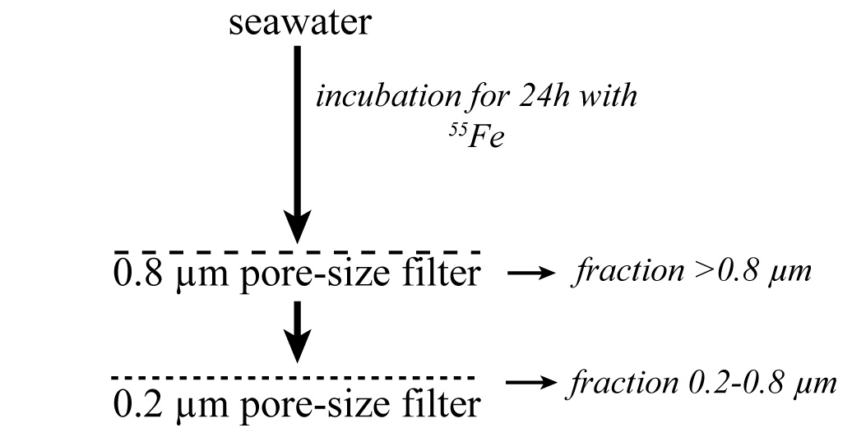
 |  |  | Fraction > 0.8 µm | Fraction 0.2-0.8µm | Fraction > 0.2 µm (total)
station ID | PAR % | depth (m) | Fe uptake rate [nmol Fe/L/d] | Fe uptake rate [nmol Fe/L/d] | Fe uptake rate [nmol Fe/L/d]
A3-2 | 75 | 2 | 3.32E-02 | 3.10E-06 | 3.32E-02
A3-2 | 25 | 12 | 1.84E-02 | 2.50E-05 | 1.90E-02
A3-2 | 1 | 38 | 3.92E-02 | 2.37E-05 | 3.98E-02
E4-E | 75 | 2 | 2.78E-02 | 3.12E-05 | 6.98E-02
E4-E | 25 | 10 | 2.61E-02 | 4.43E-05 | 6.59E-02
E4-E | 1 | 34 | 2.23E-02 | 3.52E-05 | 5.63E-02
E-5 | 75 | 3 | 3.90E-02 | 1.92E-05 | 3.95E-02
E-5 | 25 | 16 | 3.23E-02 | 1.71E-05 | 3.27E-02
E-5 | 1 | 54 | 2.59E-02 | 1.62E-05 | 2.63E-02

